Image
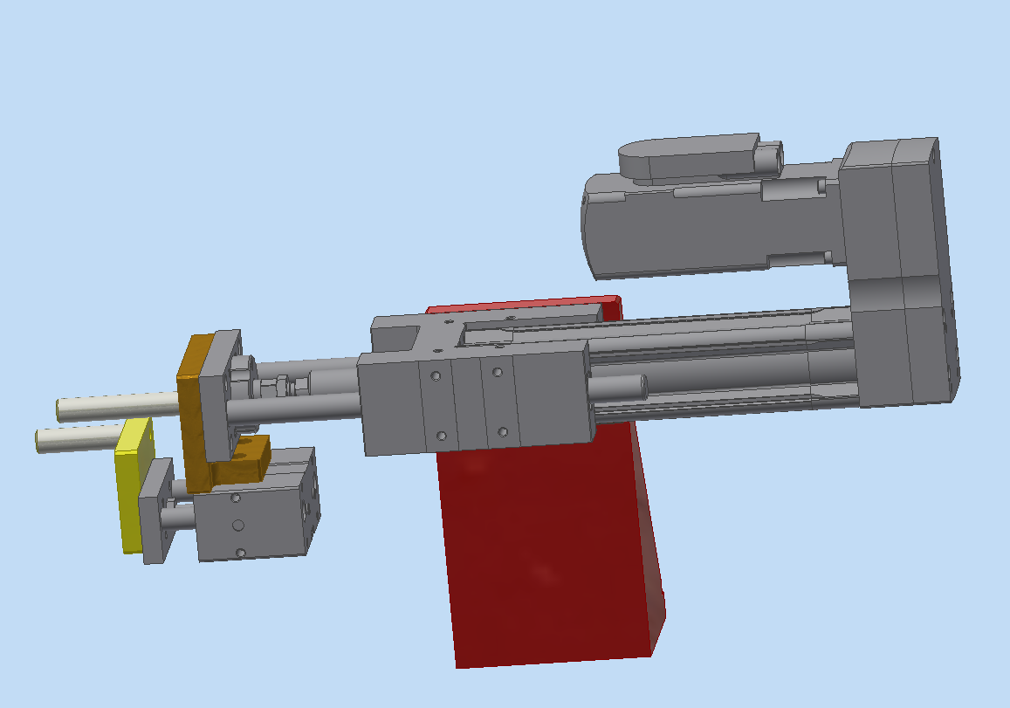

calc
Vertical Ball screw calculation - OP90

Data Inputs
Application requirement | No of shifts per day | 3 | shifts | Fixed accross project
 | Working hours per shift | 7 | Hrs | Fixed accross project
 | Working hours per day | 21 | hrs | Fixed accross project
 | Working days per Week | 6 | days | Fixed accross project
 | Total cycle time of machine | 7 | sec
 | Total operating time per cycle | 2.6 | sec | Sum of all operating time
 | Expected service life of Machine | 10 | Yrs | Fixed accross project
 | Movement Stroke required | 15 | mm | For first stroke and continuous for others
 | Cycle time available for single movement | 1 | sec | Break this into multiple movements
 | External Force on the moving mass | 250 | N | Break this into multiple movements
 | Moving mass | 1 | kg | Break this into multiple movements
 | Tilt angle of the setup | 45 | deg | To be later
 | Acceleration time % | 25% | sec | 50% of one single operating time
 | Safety factor % | 20% |  | Fixed accross project
 | Movement accuracy required (+/-) | 10 | micron | Fixed accross project

Ball screw Details | Selected Ball screw model | Festo - ESBF-BS-40-100-5P / 8022585
 | Ball screw Friction Torque @ application speed + Ball screw no load torque | 0.05 | Nm | @ 150 mm/sec
 | Ball screw pitch | 2 | mm
 | Ball screw dia | 6 | mm

Parallel Kit Details | Selected Parallel Kit Model | Festo - EAMM-U-60-D40-55A-91 / 1210438
 | Gear Ratio | 1 | ratio
 | No Load Driving Torque | 0.07 | Nm
 | Mass Momment of Inertia | 26.7 | Kgmm2
 | Max. Transfereable torque | 3 | Nm
 | Max. Rotational Speed | 6000 | rpm

Guide Details | Selected Guide Model | Festo - EAGF-V2-KF-40-100 / 2782939
 | Displacement Force required | 15 | N
 | Moving Mass | 1.60 | Kg
 | Max Withstand Force | 1000 | N
 | Service Life for 100% loading | 5000 | Km

 | Torque Required at ball screw shaft | 0.27 | Nm
 | Speed Required at ball screw shaft | 667 | rpm
 | Linear Speed of the ball screw shaft | 22 | mm/sec

Gear Box Details | Selected Gear ratio | 1 | ratio
 | Selected Gear Box Model | Not required here
 | Gearbox - Inertia | 0 | Kg-m2
 | GB- Efficiency | 97%
 | GB- No load running torque | 0.01 | Nm
 | GB-Backlash | 7 | arcmin

 | Torque Required at Motor shaft | 0.29 | Nm
 | Speed Required at Motor shaft | 667 | rpm

Servo Motor Details | Selected Motor model | SIEMENS 1FL6042 -1AF61-0LG1
 | Rated RPM of selected Motor | 3000 | rpm
 | SM - Rated torque | 0.16 | Nm
 | SM - Peak Torque | 0.24 | Nm
 | SM - Rotor inertia | 0.00027 | Kg-m2
 | SM - Permitted Inertia Ratio | 7
 | SM - Mechanical brake capacity | 0 | Nm | Not required here
 | SM - Encoder reolution | 1,048,576 | ppr

Additional details of Ball screw | Ball screw rod length | 124 | mm
 | Ball screw efficiency | 98% |  | since Friction torque is considered already
 | Ball screw - permitted axial force max @ specified rod length | 3000 | N | @ 124 mm
 | Ball screw - permitted axial force max @ application feed speed | 3000 | N | @ 150 mm/sec
 | Ball screw - permitted radial force max | 90 | N
 | Ball screw - Permitted driving torque max | 3.0 | Nm
 | Ball screw - Permitted velocity @ specified stroke length | 400 | mm/sec | @ 100 mm
 | Ball screw - Permitted acceleration max | 5 | m/sec2
 | Ball screw - Repetition accuracy (+/-) | 10 | micron
 | Ball screw - Moment of inertia | 0.000011 | Kg-m2
 | Ball screw - Moving mass (excluding spindle) | 0.7 | Kg
 | Ball screw - Duty cycle | 100%
 | Ball screw service life @ application axial force | 30000 | km | @200 N

Additional details of Gear Box | GB - Rated Input Speed | 0 | rpm
 | GB - Max Input Speed | 0 | rpm
 | GB - Rated Output Torque | 0 | Nm
 | GB - Max Output Torque | 0 | Nm
 | GB - Permitted Radial Force | 0 | N
 | GB - Permitted Axial Force | 0 | N
 | GB - Service life | 0 | hrs

Additional Details of Servo Motor | Maximum RPM of selected Motor | 4000 | rpm
 | SM - Service life (bearing) | 30,000 | hr
 | SM - Mechanical brake service life | 0 | times | No Brake here

 | Speed
 |  |  |  |  | sec | V | S
 | Linear speed requirement calculation |  |  |  | 0 | 0 | 0
Velocity
 |  |  |  |  | 0.23 | 22 | 3
 |  |  |  |  | 0.68 | 22 | 13
 | displacement | 15 | mm |  | 0.90 | 0 | 15
 | Total time available | 1.00 | sec |  | 1.00 | 0 | 15
 | Dwell time ( for Buffer purpose) | 0.10 | sec
 | time available for movement | 0.90 | sec
 | required velocity (Top speed) | 22 | mm/sec
 | Acc/dec percentage | 25%
 | Acceleration time | 0.23 | sec
 | Required accelaration | 99 | mm/sec2

 | Displacement in acceleration phase | 3 | mm
 | Displacement in Top speed phase | 10 | mm
 | Displacement in Decceleration phase | 3 | mm
 | Displacement in Dwell time | 0 | mm

 | Total distance travelled | 15 | mm

 | No Load driving torque of spindle | 0.05 | Nm
 | Ball screw pitch | 2 | mm
 | Ball screw dia | 6 | mm
 | RPM required | 11 | rps
 |  | 667 | rpm

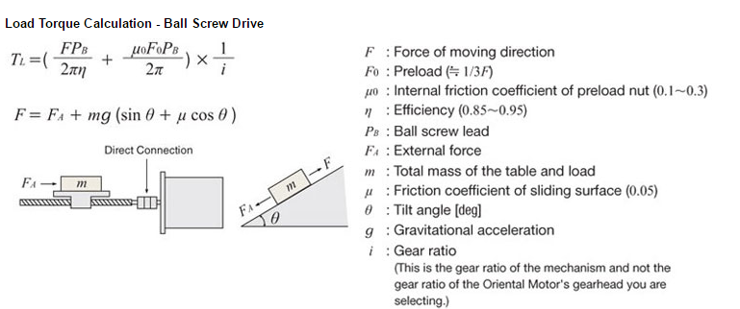
 | selected Servo motor Rpm | 3000 | rpm | 1FL6042-2AF21-1AB1
 | Gear Ratio required | 4.50 | ratio
 | Selected gear ratio | 1

 | Torque

 | External Force, Fa | 265 | N
 | Mass of load, m | 2.60 | kg
 | Tilt angle, Ɵ | 45 | deg
 | Tilt angle, Ɵ | 0.79 | rad
 | Friction Coefficient of the sliding surface, µ | 0.03
 | Force of Moving direction, F | 283.6 | N

 | Ball screw lead, Pb | 0.002 | m
 | Efficiency of ball screw, ɳ | 98%
 | Friction coeff of preload nut, µ0 | 0.3
 | Preload, F0 | 94.5 | N
 | Gear ratio of the system, i | 1

 | Load Torque for driving Mass | 0.09 | Nm
 | Load Torque for driving Ball screw (calc) | 0.01 | Nm
 | Load Torque for driving Ball screw (datasheet) | 0.05 | Nm
 | No load running Torque of Parallel kit | 0.07 | Nm

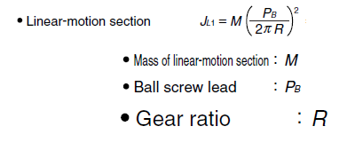
 | Load torque, TL | 0.212 | Nm
 |  |  |  |  |  |  |  |  | 2048
 | Acceleration Torque

 | Inertia of moving mass
 | Total Mass, M | 2.60 | Kg
 | Ball screw lead, Pb | 0.002 | m
 | Gear Ratio, R | 1
 |  | 2.637E-07 | Kgm2

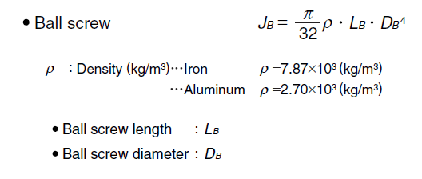
 | Inertia of Parallel kit | 0.0000267 | Kgm2

 | Inertia of Ball screw
 | Density | 7870 | Kg/m3
 | Ball screw Length, Lb | 0.12 | m
 | Ball screw Dia, Db | 0.006 | m
 | Ball screw inertia (calc) | 1.241656063E-07 | Kgm2
 | Ball screw inertia (Datasheet) | 0.00001070 | Kgm2

 | Inertia of Moving mass

 | Gear Box inertia | 0 | Kg m2
 | Total reflected inertia at gearbox shaft | 3.767E-05 | Kgm2
 | Gear Box ratio | 1
 | Motor Rotor inertia | 0.00027 | Kgm2
 | Reflected inertia @ motor shaft | 3.077E-04 | Kgm2
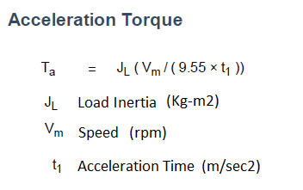
 | Speed @ spindle | 667 | rpm
 | Acceleration time | 0.23 | sec

 | Acceleration torque, Ta | 0.01 | Nm

 | Safety factor | 20%

 | Total Torque @ ballscrew shaft, T | 0.27 | Nm

 | Gear Box efficiency | 97%
 | GB- No load running torque | 0.01 | Nm
 | Total Torque required @ Motor shaft | 0.29 | Nm
 | Selected Motor Torque | 0.16 | Nm
 | Motor Loading % | 179%

 | Mechanical Power Required | 19 | Watt

 | Direction of rotation | cw/ccw

 | Movement accuracy calc
 | Ball screw repetition accuracy (+/-) | 10 | micron
 | Ball screw pitch | 2 | mm
 | GearBox backlash | 7 | arc min
 |  | 0.1166666667 | deg | 60 arcmin is 1 deg
 |  | 0.0006481481481 | mm
 | GearBox accuracy (+/-) | 0.3 | micron
 | Motor encoder resolution | 1048576 | ppr
 | Motor accuracy | 0.00000 | mm
 | Motor accuracy (+/-) | 0.0 | micron

 | Total Accuracy of the system (+/-) | 10 | micron
 | Required Movement accuracy (+/-) | 10 | micron
 | Utilization | 103%
 | Result | NOK

 | Radial Load Check | Not applicable

 | Motor RPM Check
 | Motor rated RPM | 3000 | rpm
 | Required RPM at motor shaft | 667 | rpm
 | Utilization | 22%
 | Result | OK

 | Motor Torque Check
 | Motor rated Torque | 0.16 | Nm
 | Total Required Torque at Motor shaft | 0.29 | Nm
 | Utilization | 179% | Nm
 | Result | Check Duty cycle

Torque/sec
 | Motor - Peak load Duty cycle check
 | Duty Cycle | sec | sec | Actual Torque | Motor Rated Torque | overload Torque | Overlaod Area | Rated load Area
 |  | 0.00 | 0.00 | 0.29 | 0.16
 | Door movement UP - Acceleration | 0.23 | 0.23 | 0.29 | 0.16 | 0.13 | 0.03 | 0.04
 |  |  | 0.23 | 0.28 | 0.16
 | Door movement UP - Top speed | 0.45 | 0.68 | 0.28 | 0.16 | 0.12 | 0.06 | 0.07
 |  |  | 0.68 | 0.01 | 0.16
 | Door movement UP - Deceleration | 0.23 | 0.90 | 0.01 | 0.16 | 0.00 | 0.00 | 0.00
 |  |  | 0.90 | 0.01 | 0.16
 | Door movement UP - Idle | 0.10 | 1.00 | 0.01 | 0.16 | 0.00 | 0.00 | 0.00
 | Total |  |  |  |  |  | 0.08 | 0.11
 | Ratio (less than 15% to 20%?) | 76%
 | Motor Peak Torque | 0.24 | Nm
 | Application Peak torque | 0.29 | Nm
 | Result | Peak Torque NOK

 | Motor Inertia Ratio check
 | Calculated Inertia ratio | 1.14
 | Permitted Inertia Ratio for selected motor | 7
 | Utilization | 16%
 | Result | OK

 | Motor Mechanical Braking Torque Check
 | Gravitational force, N | 16.9246 | N
 | Ball screw pitch, p | 0.002 | m
 | Required Brake torque @ GB shaft | 0.01 | Nm
 | Gear Box ratio | 1
 | Required Brake torque @ Motor shaft, Tb | 0.01 | Nm
 | Mech Braking capacity of selected Motor | 0 | Nm
 | Utilization | #DIV/0!
 | Result | #DIV/0!

 | Motor Servolock Braking Torque Check
 | Required Brake torque @ Motor shaft, Tb | 0.01 | Nm
 | Servo Lock Braking capacity of Motor | 0.16 | Nm
 | Utilization | 3%
 | Result | OK

 | Motor Service Life calc
 | Working hours per day | 21 | hrs
 | Total working days in a year | 312 | days
 | Total working hours in a year | 6552 | hrs
 | Total cycle time | 7 | sec
 | Motor operatiing time per cycle | 2.6 | sec
 | Total operating time per day | 28080 | sec
 |  | 7.8 | hrs
 | Motor operating time per year | 2434 | hrs
 | Motor - Service life (bearing) | 30,000 | hrs
 |  | 12.3 | Yrs
 | Expected service life of Machine | 10 | Yrs
 | Utilization | 81%
 | Result | Check

 | Motor-Mechanical Brake Service Life calc
 | No of Estops expected per week | 2 | times
 | No of Estops expected per year | 104 | times
 | SM - Mechanical brake service life | - | times
 |  | - | Yrs
 | Expected service life of Machine | 10 | Yrs
 | Utilization | #DIV/0!
 | Result | #DIV/0!

 | Gear Box Rpm Check
 | Rated input RPM of GB | 0 | rpm
 | calculated Input rpm for the GB | 667 | rpm
 | Utilization | #DIV/0!
 | Result | #DIV/0!

 | Gear Box Torque Check
 | Rated Output torque of GB | 0 | Nm
 | Calculated Output Torque at GB shaft | 0.27 | Nm
 | Utilization | #DIV/0!
 | Result | #DIV/0!

 | Gear Box Service Life calc
 | GB operating time per year | 2434 | hrs
 | GB - Service life | - | hrs
 |  | 0.0 | Yrs
 | Expected service life of Machine | 10 | Yrs
 | Utilization | #DIV/0!
 | Result | #DIV/0!

 | Ball screw max speed Check
 | Ball screw pitch | 2 | mm
 | Ball screw - Permitted velocity @ specified rod length | 400 | mm/sec
 |  | 200 | rps
 |  | 12000 | rpm
 | calculated speed at ball screw shaft | 667 | rpm
 | Utilization | 6%
 | Result | OK

 | Ball screw max Acceleration Check
 | Ball screw - Permitted acceleration max | 5 | m/sec2
 |  | 5000 | mm/sec2
 | calculated acceleration at ball screw shaft | 99 | mm/sec2
 | Utilization | 2%
 | Result | OK

 | Ball screw max Torque Check
 | Ball screw - Permitted driving torque max | 3.0 | Nm
 | calculated driving torque at ball screw shaft | 0.27 | Nm
 | Utilization | 9%
 | Result | OK

 | Ball screw Axial Load Check
 | Total mass acting axialy | 1.7 | Kg
 | Axial force on Ball screw | 17 | N
 | Max acceptable Axial Force on Ball screw | 3000 | N
 | Utilization | 1%
 | Result | OK

 | Ball screw service life Check
 | Working days per year | 312 | days
 | Working hours per day | 21 | hr
 | Cycle time | 7 | sec
 | No of cycles per day | 10800 | cycles
 | Distance travelled | 15 | mm
 | No of movements per cycle | 2 | nos
 | Distance travelled per cycle | 30 | mm
 | Total distance travelled per day | 324000 | mm
 |  | 324 | mtrs
 |  | 0.324 | Km
 | Total distance travelled per year | 101 | Km
 | Ball screw service life @ application axial force | 30000 | km
 | Calculated service life of Ball screw | 297 | Yrs
 | Expected service life of Machine | 10 | Yrs
 | Utilization | 3%
 | Result | OK

